Sheet1
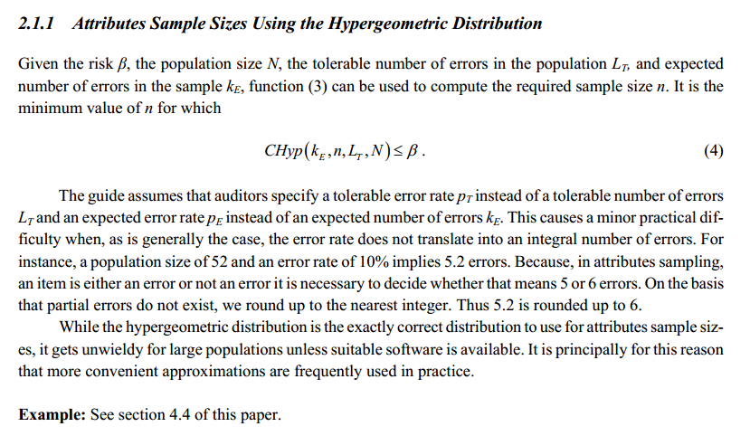
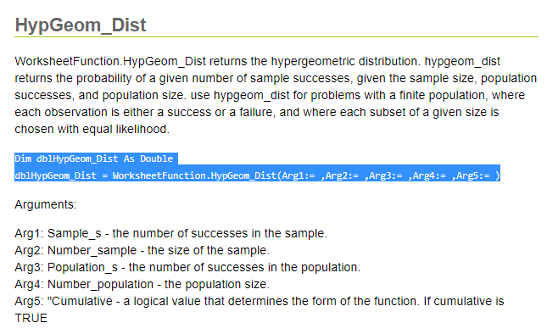
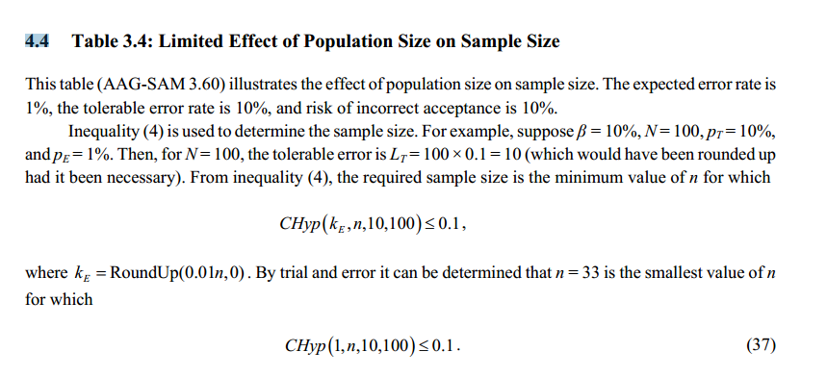
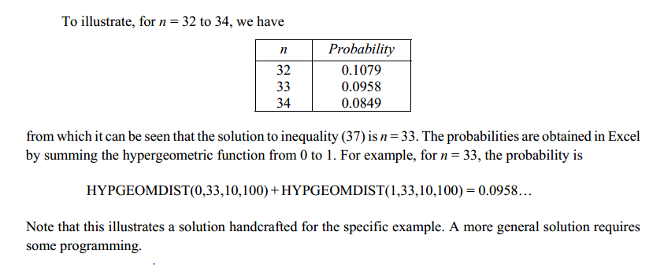
Attribute Estimation Worksheet - Sales Returns

 |  |  |  |  | Sample Size
Attribute | Population Size | Acceptable Risk of Assessing Control Risk Too Low | Tolerable Rate of Deviation | Expected Population Deviation Rate | Table | Used | Number of Deviations | RACRTL | Upper Limit | Cumulative HypGeom Distribution | Cumulative HypGeom Distribution (VBA)
1. Unit pricing and extensions on the credit memo are accurate. | 550.00 | 0.05 | 0.04 | 0.0075 | 108 | 108 | 1 | 0.048730839202 | 0.04000 | 0.048730839202 | 0.048730839202
2. Quantity and other data on credit memo agrees with the receiving reports. | 360.00 | 0.05 | 0.05 | 0.015 | 111 | 111 | 2 | 0.047597814232 | 0.05000 | 0.047597814232 | 0.047597814232
3. Quantity and description on credit memo agree with perpetual inventory. | 620.00 | 0.1 | 0.08 | 0.02 | 46 | 46 | 1 | 0.096392277143 | 0.08000 | 0.096392277143 | 0.096392277143
4. Entry poperly recorded as debit to Inventory and credit to Cost of Goods Sold | 450.00 | 0.05 | 0.05 | 0.01 | 84 | 84 | 0 | 0.0075503030098 | 0.03300 | 0.0075503030098 | 0.0075503030098
5. Entry properly recorded as debit to Sales Returns and credit to Accounts Receivable | 500.00 | 0.05 | 0.06 | 0.02 | 96 | 96 | 4 | 0.283626617 | 0.08800 | 0.283626617 | 0.283626617

